ABDI JAYA
KITCHEN
DATE | INV.NO | DESCRIPTION | QTY | BILLS | PRICE | SUBTOTAL | TOTAL
2025-10-31 | 1825 | LAP MICROFIBER HANAGA | 5 | 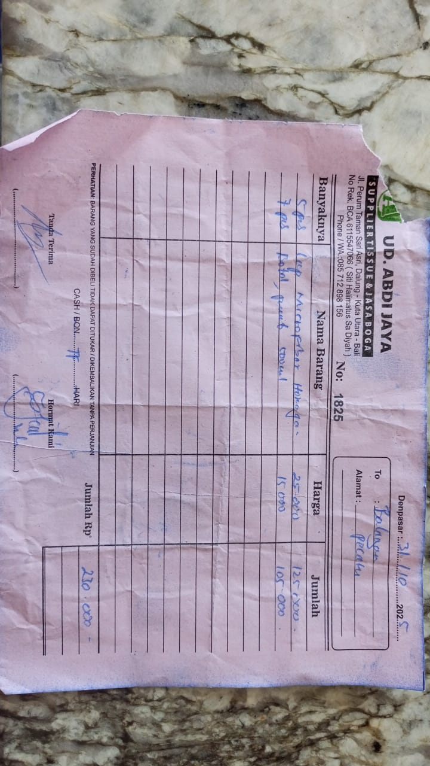 | Rp25,000 | Rp125,000 | Rp230,000
 |  | BOTOL PEMB 500 ML | 7 |  | Rp15,000 | Rp105,000
2025-11-05 | 1919 | LUNCH BOX L BROWN | 5 | 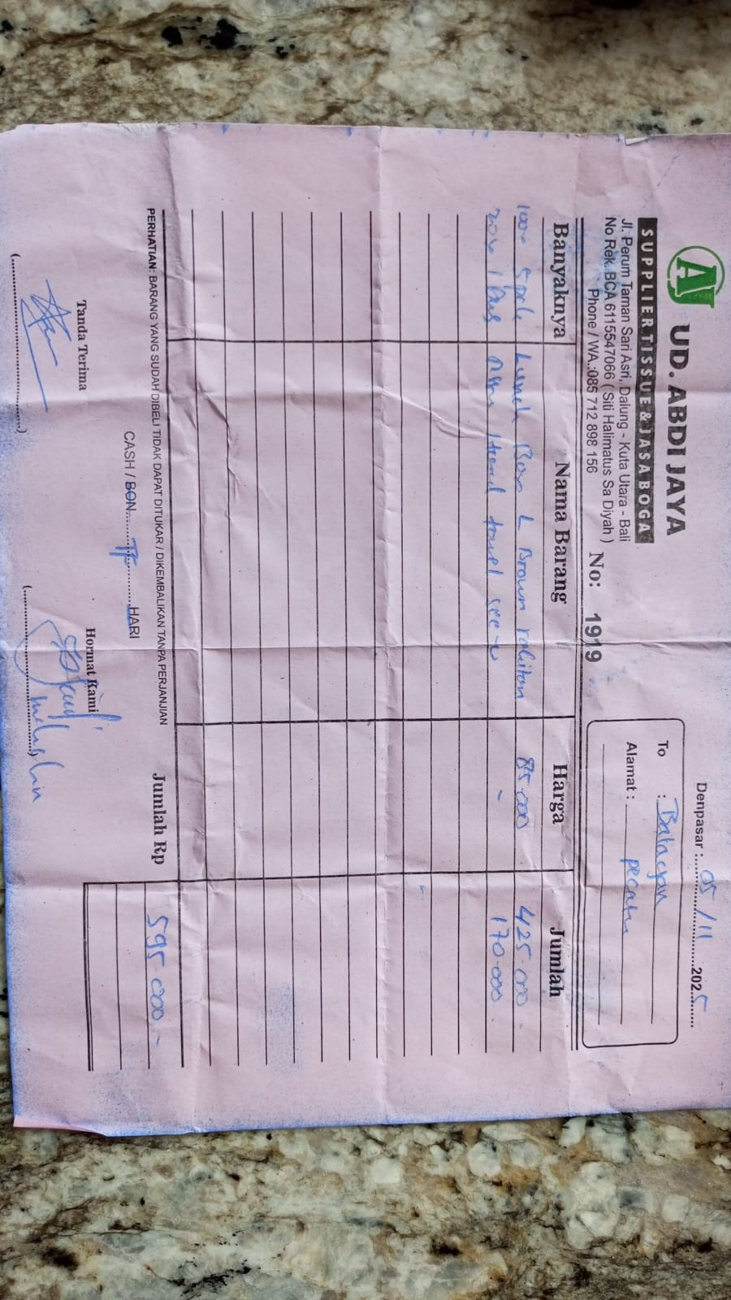 | Rp85,000 | Rp425,000 | Rp595,000
 |  | LONG HAND TOWEL SEE YOU | 1 |  | Rp170,000 | Rp170,000
2025-11-21 | 471 | HAND GLOVE L | 3 |  | Rp55,000 | Rp165,000 | Rp195,000
 |  | P KILAT 32 | 1 |  | Rp30,000 | Rp30,000
GRAND TOTAL |  |  | Rp1,020,000

FLOOR
DATE | INV NO. | DESCRIPTIONS | AMOUNT | BILLS | PRICE | SUBTOTAL | TOTAL
14-Nov-2025 | 221 | HAND GLOVES (M) | 3 | 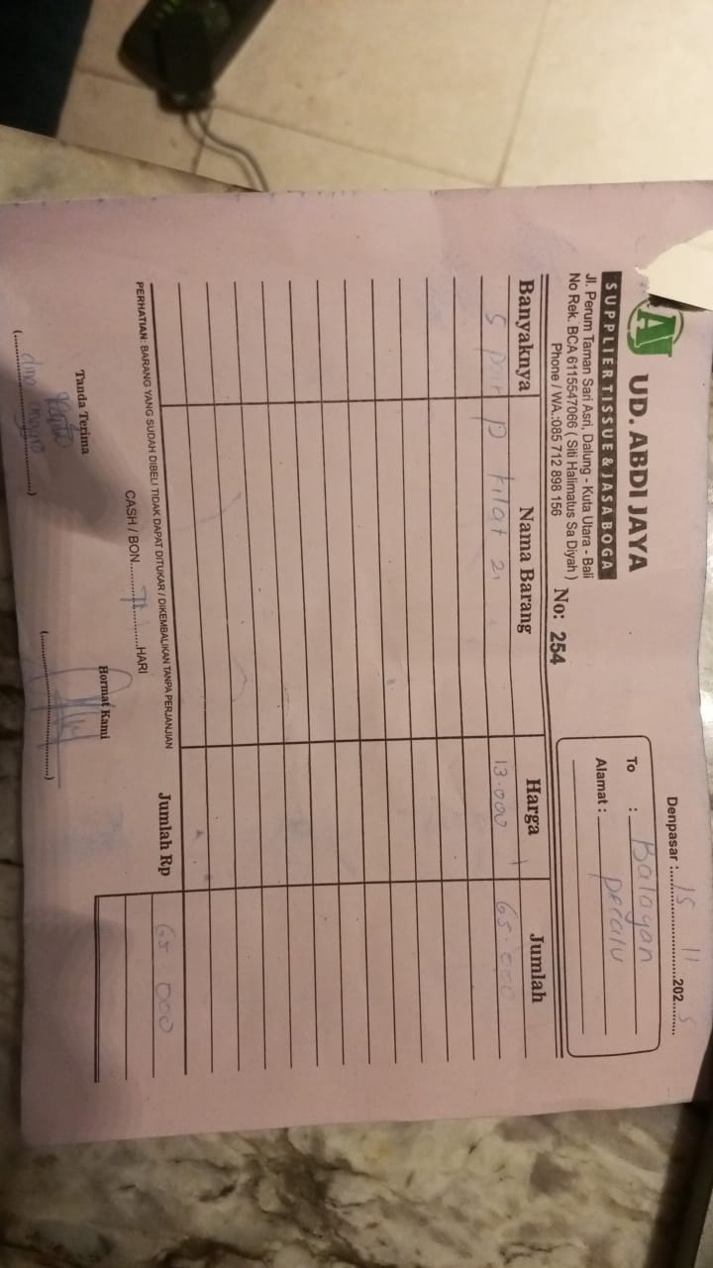 | IDR 55,000 | IDR 165,000 | IDR 165,000
15-Nov-2025 | 254 | P KILAT 2 | 5 | 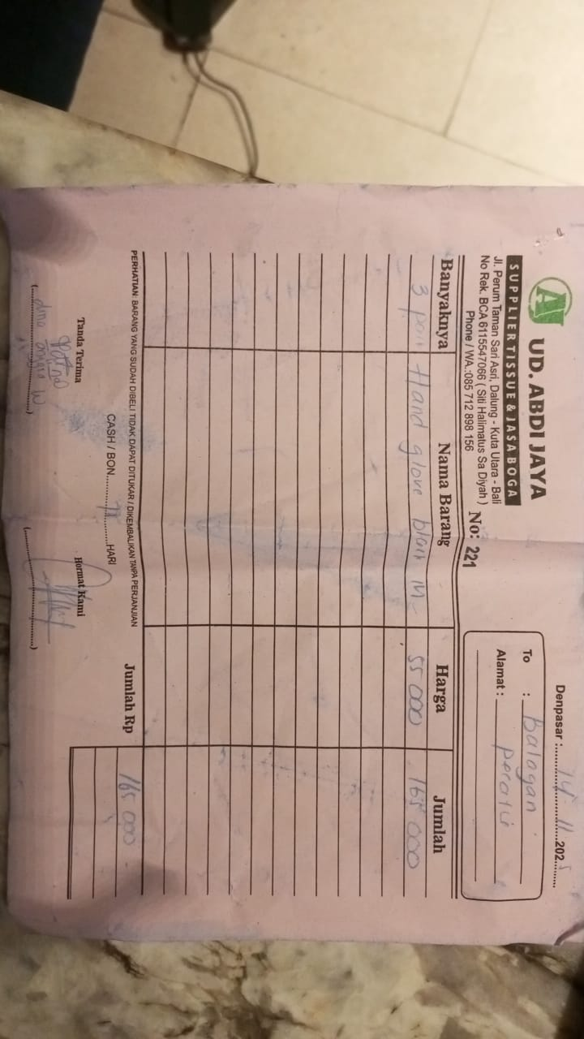 | IDR 13,000 | IDR 65,000 | IDR 65,000
24-Nov-2025 | 523 | PAPER BAG L CB08 | 200 | 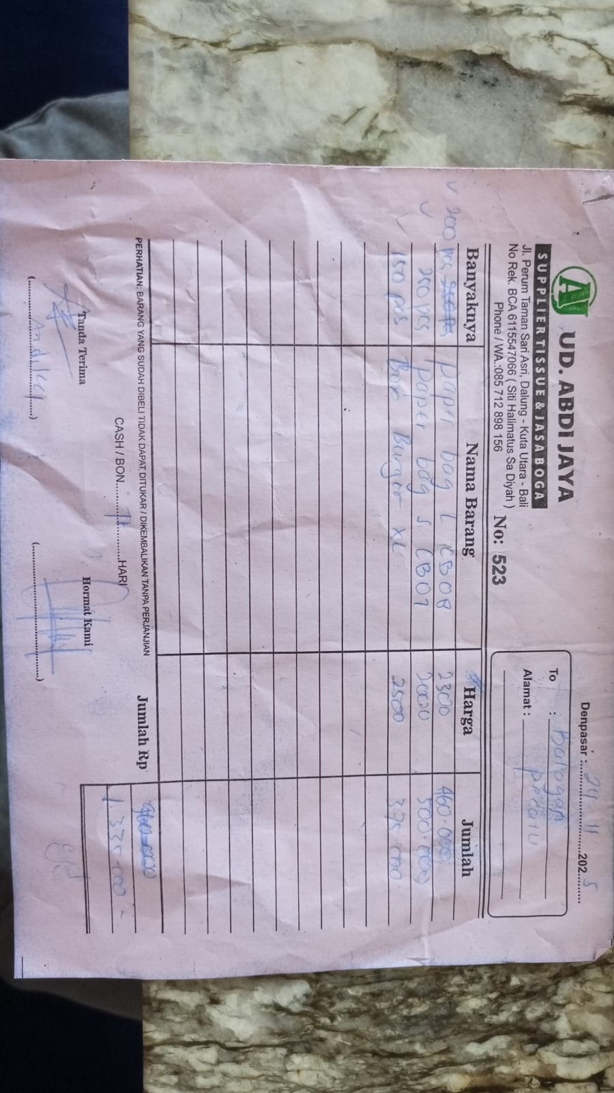 | IDR 2,300 | IDR 460,000 | IDR 1,335,000
 |  | PAPER BAG S CB07 | 250 |  | IDR 2,000 | IDR 500,000
 |  | BURGER BOX XL | 150 |  | IDR 2,500 | IDR 375,000
 |  |  |  |  |  |  | Rp1,565,000

 |  | ABDI JAYA TOTAL OUTSTANDING
 |  | KITCHEN | Rp1,020,000
 |  | FLOOR | Rp1,565,000
 |  | TOTAL | Rp2,585,000

